Do Not Alter
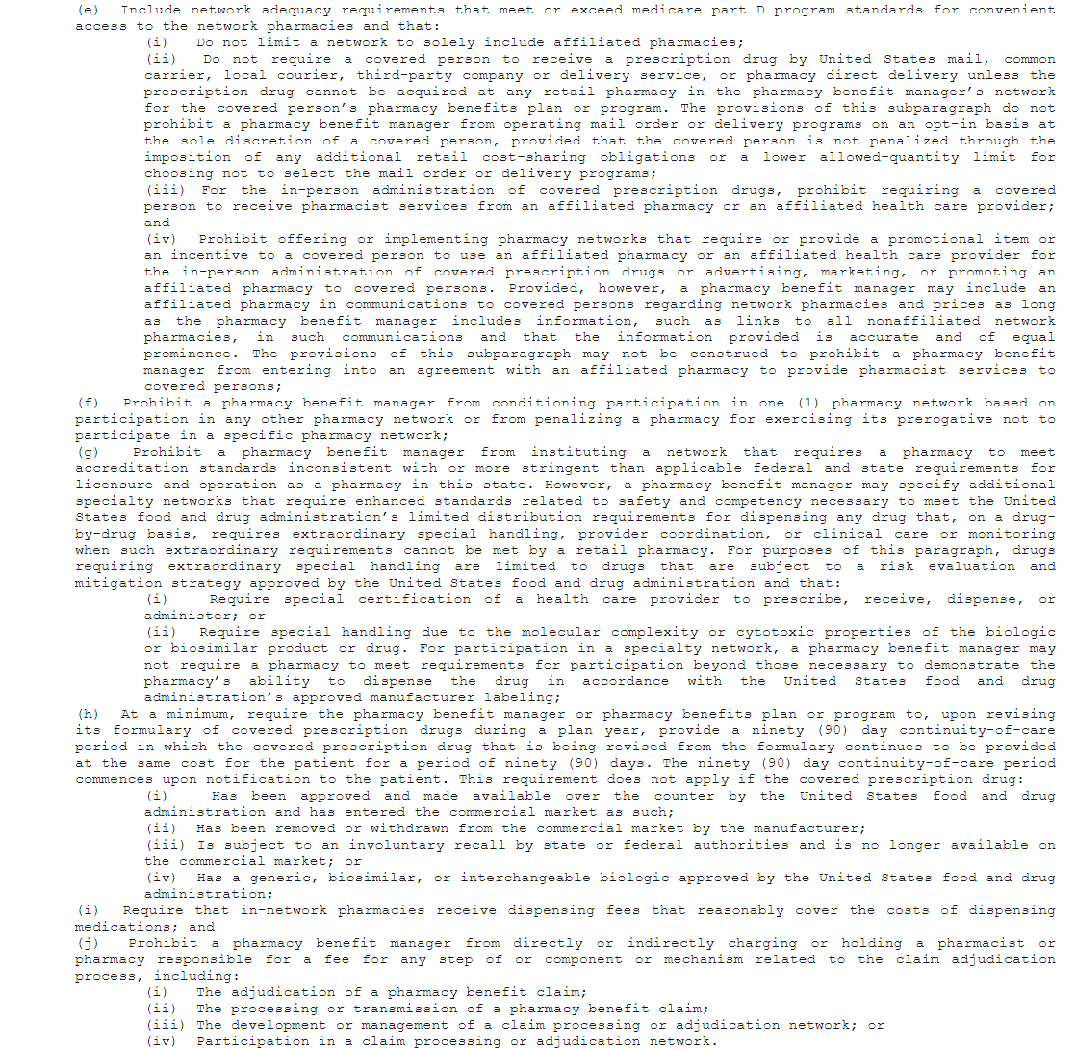
Yes
No
N/A

01/01/2023-12/31/2023
01/01/2024-12/31/2024

