Do Not Alter
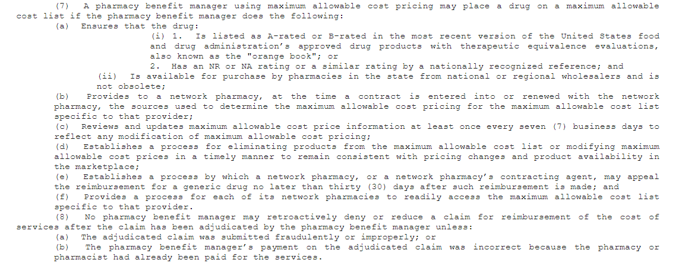
Effective 1/1/25 - START: WEDNESDAY, JANUARY 1, 2025
1-Apr-25
1-Jul-25
1-Oct-25
1-Jan-25

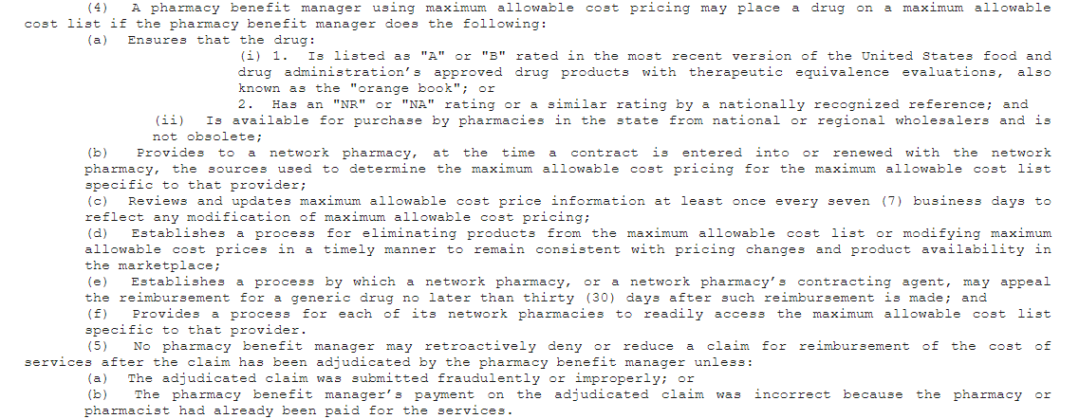

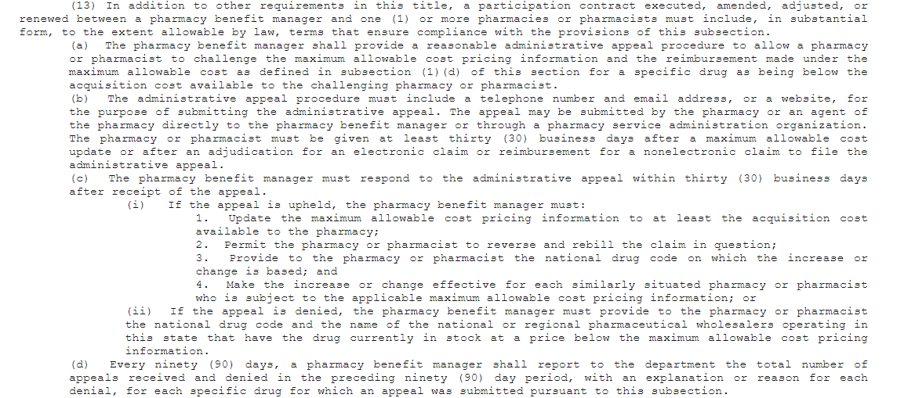

2. Denied MAC Appeal(s)
Instructions |  |  |  |  |  |  |  |  |  |  |  | Section C. |  |  |  | Section D. |  |  |  |  |  |  |  |  |  |  |  |  | Section E. |  |  |  |  |  |  |  |  |  |  |  |  |  | Section F. |  |  |  |  | Section G. |  |  |  |  |  |  |  |  |  | End
Health Plan/ Payer and Pharmacy contact information, if applicable, to be entered as listed on tab: '2. Payer and Pharmacy List' in 'PBM Annual Compliance Template' report.
If there are no denied appeal(s) to report for within the specific quarter, please enter 'N/A' and complete at least one row in this tab. Do not leave blank.
If you have no data to report, you must enter 'N/A' and complete at least one row in this tab. Do not leave blank.
Complete sections: A, B, C, D, E, F and G. (End of report: Column BN in section F.)

Challenged maximum allowable cost pricing information
↓
Challenged reimbursement made under the maximum allowable cost
↓
NDC #
↓
wholesaler
↓
Section A. |  | Section B. |  |  |  |  |  |  |  |  |  |  |  |  |  |  |  |  |  |  |  |  |  |  |  |  |  |  |  |  |  |  |  |  |  |  |  |  |  |  |  | Prior to January 1, 2025 - if PBM did NOT provide an NDC # and |  |  |  |  |  |  |  |  |  |  | (Prior to January 1, 2025) | (Prior to January 1, 2025) | (Prior to January 1, 2025) |  | (Prior to January 1, 2025)
 |  | If Agent of the Pharmacy did not submit through a PSAO, enter: 'N/A'. |  |  |  |  |  |  |  |  |  |  |  |  |  |  |  |  |  |  |  |  |  |  |  |  |  |  |  |  |  |  |  |  |  |  |  |  |  |  |  | wholesaler information: PBM may enter 'N/A'. | F1. |  |  |  |  | Upheld appeal - PBM must have: | Upheld appeal - PBM must have: | Upheld appeal - PBM must have: |  | Upheld appeal - PBM must have: | Upheld appeal - Did the PBM: | Upheld appeal - Did the PBM: | Upheld appeal - Did the PBM: |  | Upheld appeal - Did the PBM:
Did the Pharmacy/Pharmacist/Agent of the Pharmacy and/or Pharmacy Service Administration Organization (PSAO) Challenge, and/or file an Administrative Appeal, for: the maximum allowable cost pricing information and/or the reimbursement made under the maximum allowable cost, for a drug being below the acquisition cost available to the challenging Pharmacy? Indicate ALL types that apply. Do not just respond 'Yes'. | Enter below a summary of reimbursement appeal/price review request that the Pharmacy/ Pharmacist/ Agent of the Pharmacy and/or PSAO, submitted to PBM. (Include specific details about the documentation submitted from appeal to support appeal. Purchase price of drug, with agents claim: 'MAC unit below cost', etc.) | If Agent of the Pharmacy submitted appeal through a PSAO: | PSAO Company Name | PSAO Company Phone | PSAO Company Website | PSAO Company Address | PSAO Company City | PSAO Company State | PSAO Company Zip Code | PSAO Company Email | PSAO Company Contact Name | Health Plan/ Payer Name | Health Plan/ Payer Unique Identification Number | Health Plan/Payer Unique Identification Number Type (NPN, FEIN, EIN, NAIC, etc.) | Health Plan/ Payer Type | Pharmacy Name | Pharmacist name or Agent of the Pharmacy name, if Challenege/ Administrative Appeal was submitted by a Pharmacist or Agent of the Pharmacy, for a Pharmacy. | Pharmacy Address | Pharmacy City | Pharmacy State | Pharmacy Zip Code | Pharmacy Contact Name | Pharmacy Contact Email | Pharmacy Phone | Pharmacy NPI (Text field, 10 Digits; Must not cut off leading/ ending zeros) | Pharmacy NCPDP (Text field, 7 Digits; Must not cut off leading/ ending zeros) | Is this Pharmacy a PBM Affiliate? Answer: 'Yes' or 'No.' | Is this Pharmacy an Independent Pharmacy? Answer: 'Yes' or 'No.' | Receipt of appeal. (Date that Pharmacy/ Pharmacist/ Agent of the Pharmacy: filed the Challenge/ Administrative Appeal with PBM.) | Date that Challenge/ Administrative Appeal was resolved by PBM. | NDC # (Text field, 11 Digits; Must not cut off leading/ ending zeros) (Compund: If more than one ingredient was reviewed, fill out individual lines for each NDC.) | Drug Name | Drug Strength | Rx# | Prescription claim fill date | Dollar amount paid to the pharmacy for the prescription on the prescription claim fill date; do not include dispending fee | Dollar amount paid to the pharmacy for the prescription on the prescription claim fill date for: dispensing fee only | Pharmacy acquisition cost | Total dollar amount for: challenged maximum allowable cost pricing information and Total dollar amount for: challenged reimbursement made under the maximum allowable cost | Enter below the final determination information provided to the pharmacy. (Include: Sources used to support denied reimbursement amount, Calculation used to support denied reimbursement rate, Section and Language of Contract or Provider manual used in making decision | Did the pharmacy request an independent third party review of an unfavorable final appeal determination? Answer: 'Yes' or 'No.' | The NDC # and the name of the national or regional pharmaceutical wholesalers operating in Idaho that had the drug currently in stock at a price below the maximum allowable cost pricing information, the PBM provided to the pharmacy. | Attachment name to support the explanation(s) or reason(s) provided to the appealing Pharmacy/ Pharmacist/ Agent of the Pharmacy or PSAO. | Total number of pages corresponding to attachment name entered in 'Section F1'. | Was the pharmacy given at least thirty (30) business days after a maximum allowable cost update or after an adjudication for an electronic claim or reimbursement for a nonelectronic claim to file the appeal: Yes, or No? | Did the PBM respond to the administrative appeal within thirty (30) business days after receipt of the appeal: Yes, or No? | If the appeal was NOT upheld and PBM did respond to the appeal within thirty (30) business days after receipt of the appeal, enter 'N/A' in each of the following subsequent sections in 'Section G'. Do not leave blank. | Updated the maximum allowable cost pricing information to at least the acquisition cost available to the pharmacy. | Permitted the pharmacy or pharmacist to reverse and rebill the claim in question. | Provided to the pharmacy or pharmacist the NDC # on which the increase or change is based. | and | Made the increase or change effective for each similarly situated pharmacy or pharmacist who is subject to the applicable maximum allowable cost pricing information. | Update the maximum allowable cost pricing information to at least the acquisition cost available to the pharmacy? Answer: 'Yes' or 'No.' | Permit the pharmacy or pharmacist to reverse and rebill the claim in question? Answer: 'Yes' or 'No.' | Provide to the pharmacy or pharmacist the NDC # on which the increase or change is based? Answer: 'Yes' or 'No.' | and | Provide to the pharmacy or pharmacist the NDC # on which the increase or change is based? Answer: 'Yes' or 'No.'

