Do Not Alter
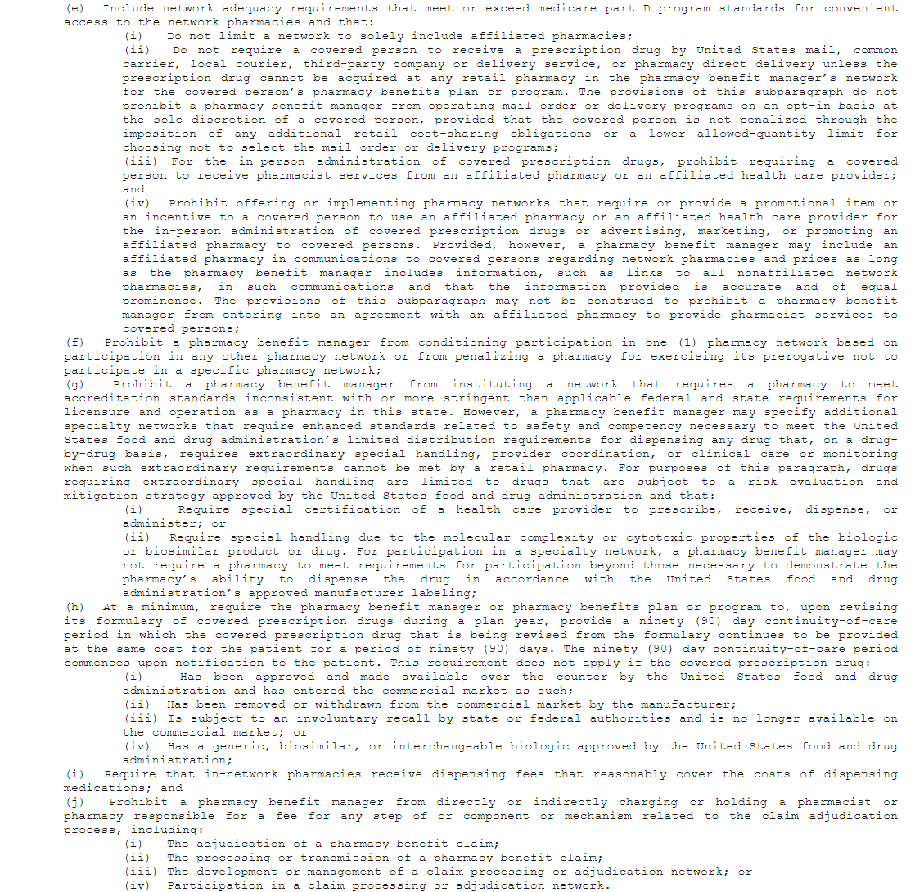
Yes
No
N/A

01/01/2025-12/31/2025

